Sheet1
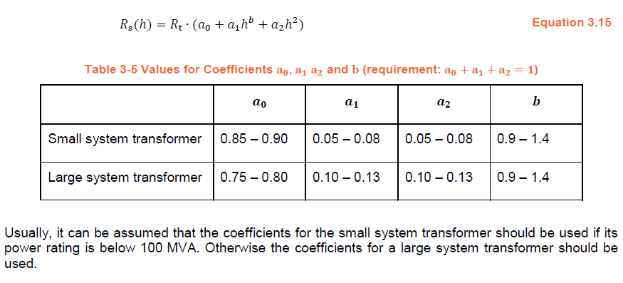
h | Rs(h)/Rt | a0 | a1 | a2 | b
0 | 0.85 | 0.85 | 0.07 | 0.08 | 0.9
1 | 1.00
2 | 1.30
3 | 1.76
4 | 2.37
5 | 3.15
6 | 4.08
7 | 5.17
8 | 6.42
9 | 7.84
10 | 9.41
11 | 11.14
12 | 13.03
13 | 15.07
14 | 17.28
15 | 19.65
16 | 22.18
17 | 24.87
18 | 27.71
19 | 30.72
20 | 33.89
21 | 37.21
22 | 40.70
23 | 44.35
24 | 48.15
25 | 52.12
26 | 56.24
27 | 60.53
28 | 64.97
29 | 69.58
30 | 74.34
31 | 79.27
32 | 84.35
33 | 89.60
34 | 95.00
35 | 100.57
36 | 106.29
37 | 112.18
38 | 118.22
39 | 124.42
40 | 130.79
41 | 137.31
42 | 143.99
43 | 150.84
44 | 157.84
45 | 165.00
46 | 172.33
47 | 179.81
48 | 187.45
49 | 195.25
50 | 203.22

